Contact Info

Installation Location Information

Company Name:
Street address:
City:
State:
Zip:

ShopFloorConnect Contacts:

Support Contact: | Rich Beaulieu
Title: | Technical Support Engineer
Phone: | 800-586-8324 option 3
Email: | Rich.Beaulieu@shopfloorconnect.com

Sales Contact: | Keith Magnant
Title: | Sales Manager
Phone: | 978-268-2712
Email: | keith.magnant@shopfloorconnect.com

Customer Contacts:

Main Contact:
Title:
Phone:
Email:
Fax:

Alternate Contact:
Title:
Phone:
Email:

IT Contact:
Title:
Phone:
Email:

Shipping Contact
Title:
Phone:
Email:

Instructions:
Thank you for purchasing ShopFloorConnect (SFC). This document is designed to give us the information we need in order to properly configure your server, upgrade your Wintriss Control firmware, and ensure efficient deployment of ShopFloorConnect at your facility.

Please enter the appropriate data into each sheet (tabs at the bottom of the document). Make any necessary changes, additions, or corrections. Save the document and email it back to ShopFloorConnect (contact info above). We will keep the master copy. Please note that the gray shaded areas are for Wintriss use only.

Server & IT Requirements
Server Information |  | (Server requirements)

 | Minimum Required OS: | Windows Server 2008 R2 Standard 64 Bit

 | Server Name1,2:
 | IP Address:
 | Subnet Mask:
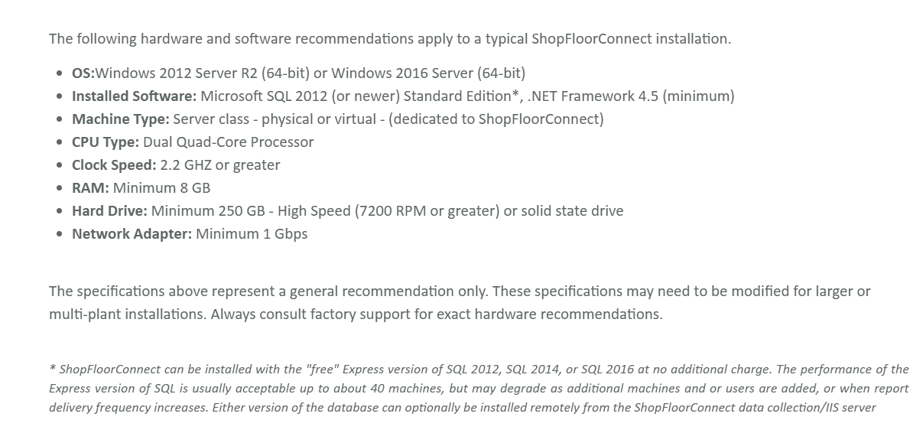
 | Default Gateway:
 | Domain:
 | DNS:
 | SMTP Address:
 | Email "From" Address:
 | Port:

1. Do not use ShopFloorConnect for the server name or use hyphens or special characters in the name

Remote Access Info:
 | Strongly recommended for Wintriss support | ShopfloorConnect Support
 | VPN client:
 | Public IP:
 | Login Name:
 | Login Password:

Pre-Installation Checklist

 | Apply Windows Security Updates and patches
 | Verify that .Net Framework 4.5 Multi-Targeting Pack has been installed
 | Turn off local firewalls
 | Turn off IE Enhanced Security Configuration
 | Setup Local user account with full admin rights and non-expiring password
 | Provide Internet Access on server ( This is for downloading and licensing any 3rd party software)
 | If drive is partitioned, specify the drive/s onto which SFC applications and DB’s are to be installed.
 | Set permission to for allowing reports to be emailed from server
 | Set permissions to allow SMS text messaging from server (Optional)
 | Provide SMTP Server Name or IP address. If using Office 365 specify all account information
 | Install Adobe Reader (This provides a means to view SFC reports on the server in PDF format)
 | All Ethernet cable runs to machines are shorter than 100 meters

